1.MES通知
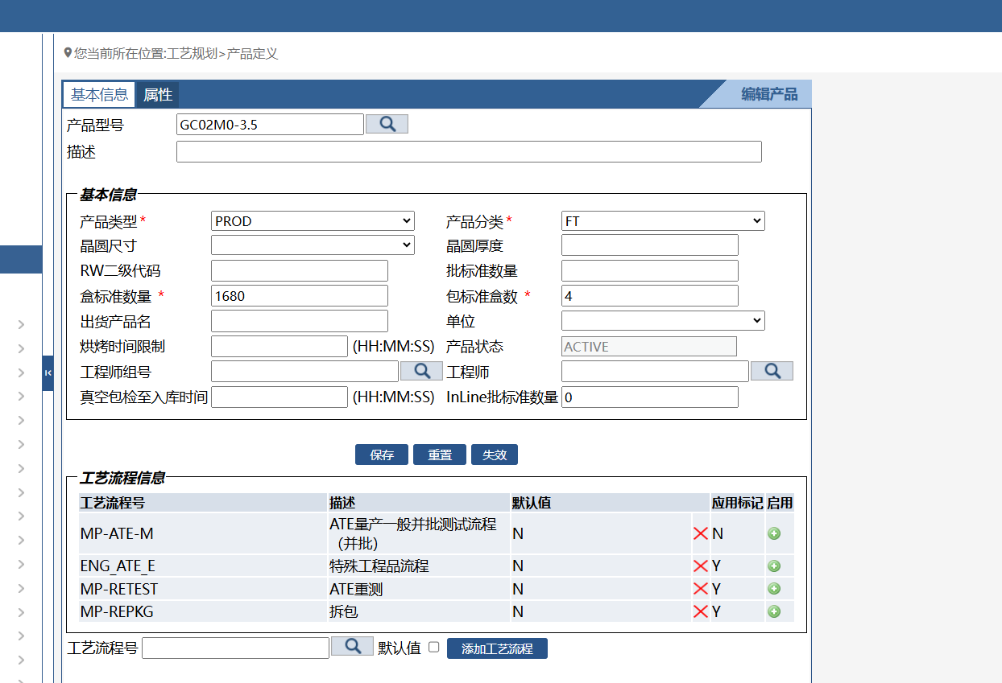
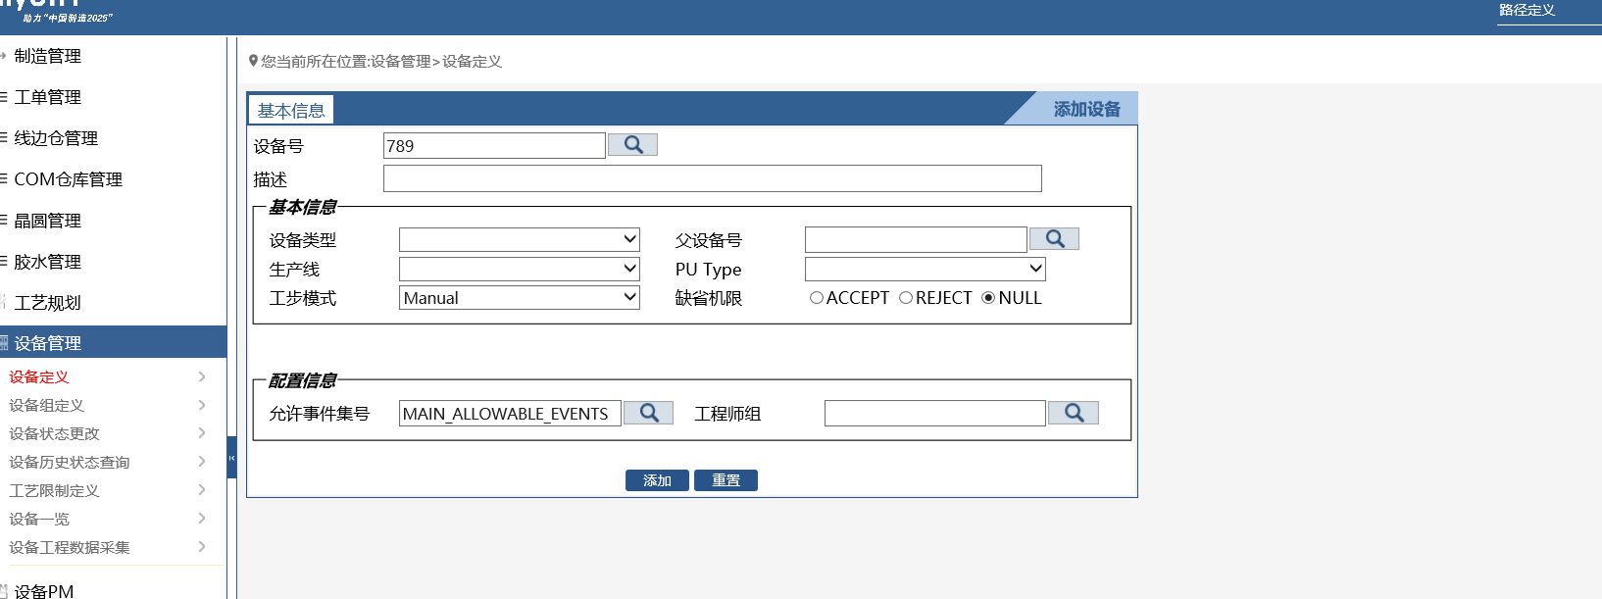
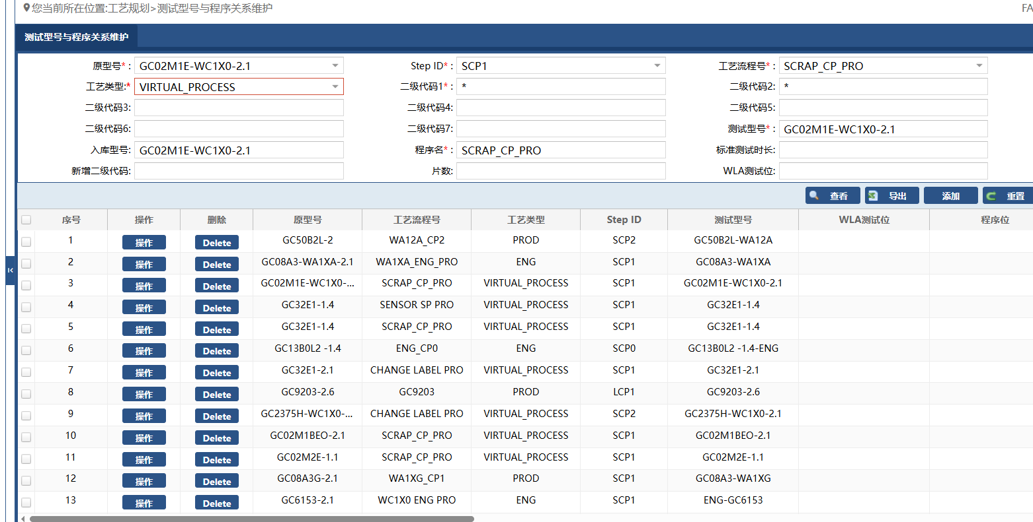
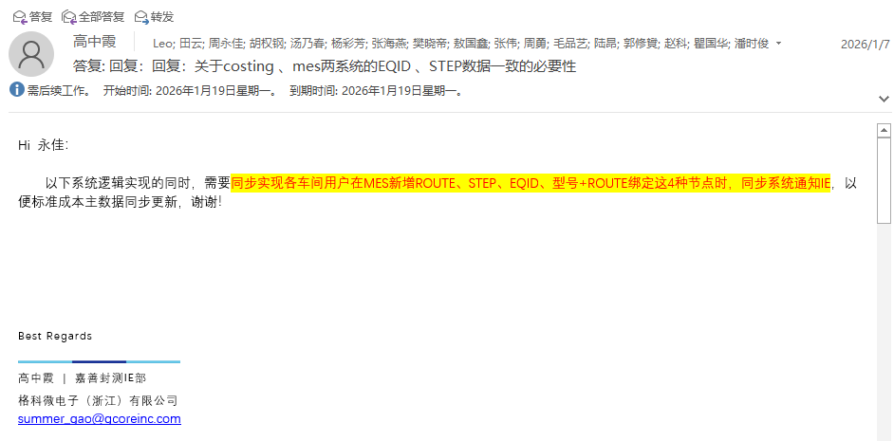
1.MES通知信息 |  |  | 2.邮箱通知人
NO. | 通知IE的情况 | 邮件通知信息 | 姓名 | 工号 | 邮箱 | 备注
1 | “route” 更改时 | 车间+工艺流程号 | 陆昂 | A0003421 | corey_lu@gcoreinc.com | 邮件通知IE所有人，通知信息请附带是对应车间的信息变更
2 | “step” 新增/更改时 | 车间+step | 周勇 | A0000299 | yong_zhou@gcoreinc.com
3 | “EQ ID” 新增时 | 车间+设备号+设备类型 | 毛品艺 | A0004232 | pinyi_mao@gcoreinc.com
4 | “工艺规划-->产品定义” 新增/更改时 （产品型号绑定route） | 车间+产品型号+工艺流程号 | 敖国鑫 | A0003818 | gorsin_ao@gcoreinc.com
5 | “测试型号与程序关系维护” 新增/更改时 （CP车间） | 入库型号+测试程式 | 樊晓帝 | A0004242 | xiaodi_fan@gcoreinc.com
6 | "RW文件转档规则配置” 新增/更改时 （RW车间） | 入库型号+产品型号 | 瞿国华 | A0001885 | eric_qu@gcoreinc.com
7 | 非在用Route在MES内禁用操作 | 工程师先清理完在线WIP后，再禁用Route(暂缓) | 张伟 | A0002041 | will_zhang@gcoreinc.com
 |  |  | 高中霞 | A0002357 | summer_gao@gcoreinc.com
 |  |  | 陈雪丹 | A0004660 | wendy_chen@gcoreinc.com

